Invoice Template
 |  |  |  | HOURS SUBMISSION AND AFTER HOURS INVOICE

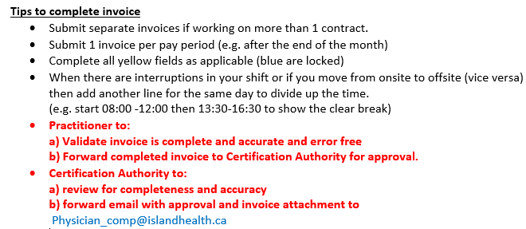
 |  |  |  |  | Contract/ Program Name |  |  |  |  | Contract # (one contract per invoice):

 |  |  |  | Physician/ Group Validation (Y/N) |  | I certify that this invoice is for actual hours worked as documented (consistent with the terms of the contract) |  |  | Certification Authority (CA) Approval (enter name):
 |  |  |  |  | Date: |  |  |  |  | Date:
 |  |  |  |  |  |  |  |  |  |  | I confirm to the best of my knowledge that the hours were worked (consistent with the terms of the contract)
 |  |  |  |  |  |  |  | Do not include breaks/ vacation/ leaves/work on other contracts. Where break >=30 min please add a new line |  |  | Direct/ Indirect & NonPatient/ Other must add up to Total Hours |  |  | Explain Other i.e. Clinical Admin (must be allowable in contract terms)
Practitioner Name - Last Name, First Name | Practitioner MSP# | Facility name (on each line) | Date of Service | Weekday or Weekend (Auto- populate) | Stat/Lieu Day (Auto- populate) | Shift Scheduled Y/N (drop down / case sensitive) | Onsite Y/N (drop down / case sensitive) | Shift Start Time (hh:mm) round to 15 min | Shift End Time (hh:mm) round to 15 min | Total Hours | Direct | Indirect. | NonPatient/Other | Notes

0 | #N/A |  | Need more lines? Submit a separate invoice |  |  |  |  |  |  | - | - | - | -

